Test Evidence
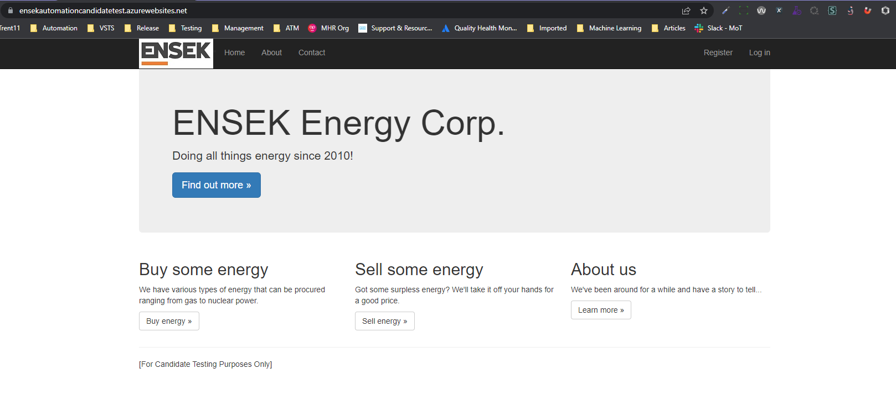
Test 1 and 2

Test 3

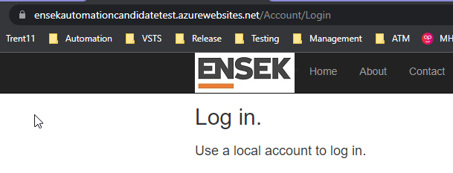

Test 7
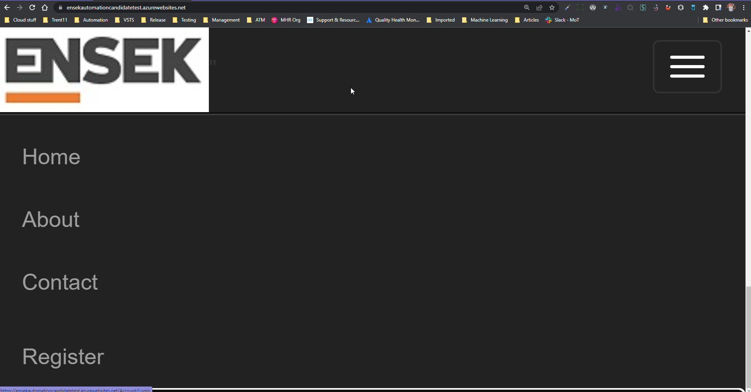

Test 12
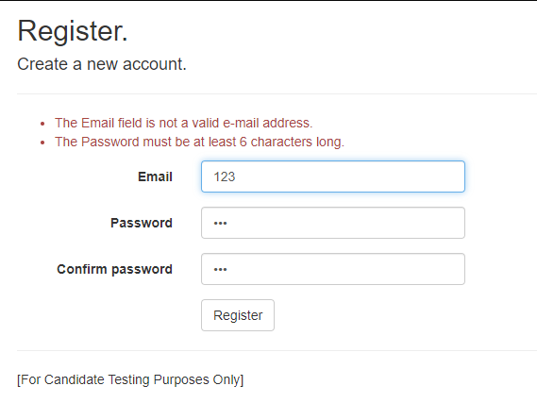
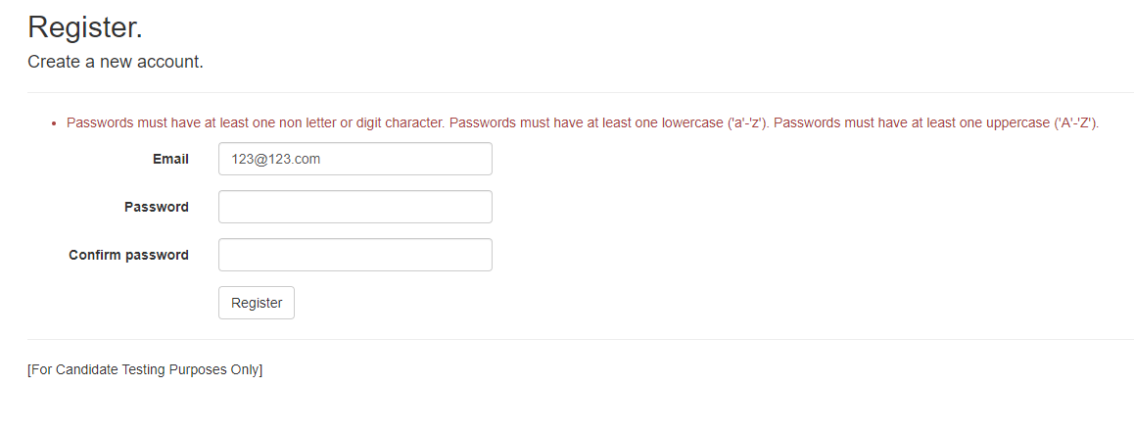

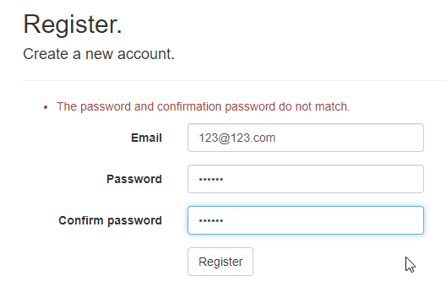
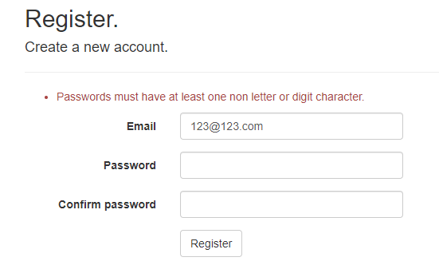
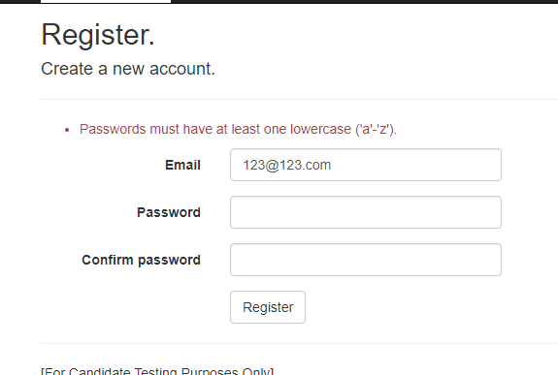

Test 13 | email = 123@123.com with valid password and email = squeak_71@hotmail.co.uk (valid account)
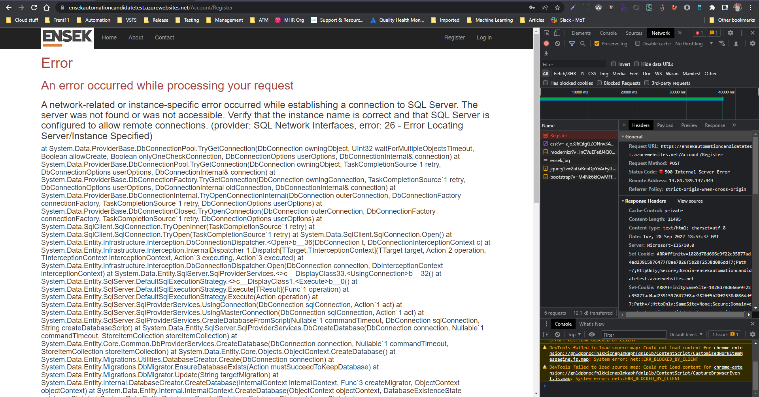

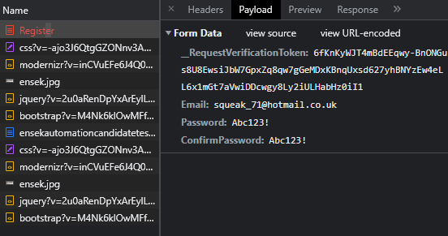

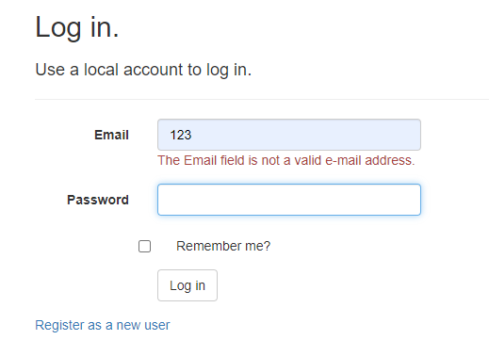
Test 19

Test 20 | email = correct format, password = incorrect format and also an non-registered account
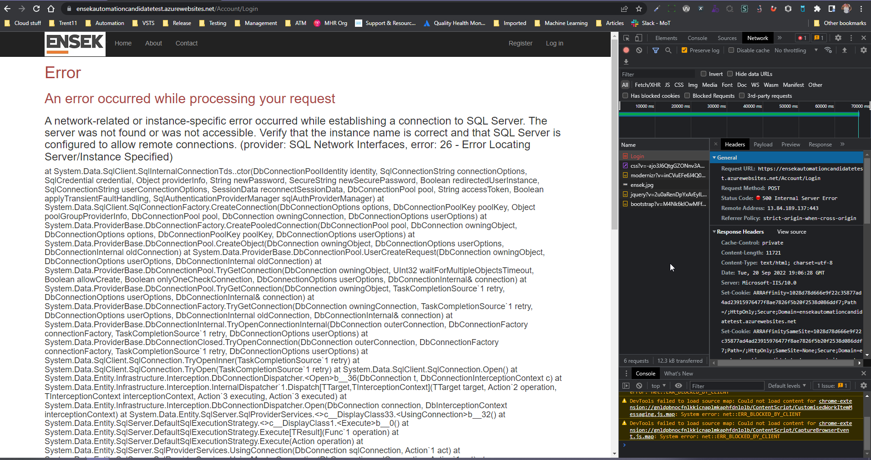

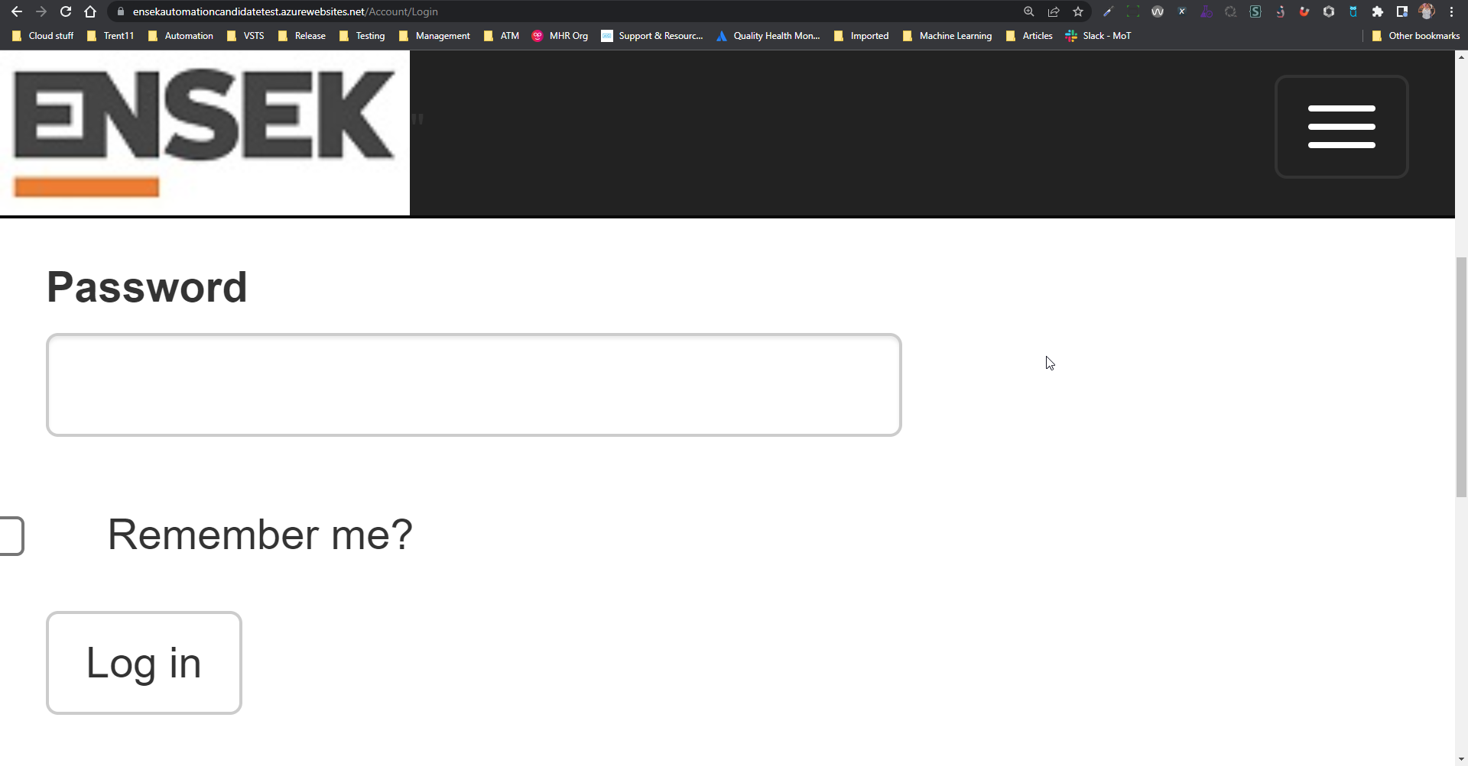
Test 25

Test 42

Defect Report
ID | Test | Description and repro steps | Screenshots
D1 | Test 13 | As a new user, when I complete the register fields and click Register button, then I would expect to get a positive response. Actual response = 500 Error and Error text shown on page 1. Go to URL 2. Click Register menu link 3. Complete fields with valid values 4. Click Register button and wait for API to respond

D2 | Test 20 | As a user, when I complete the login fields and click Log in button, then I would expect to get an appropriate response based on whether I am registered or not. Actual response = 500 Error and Error text shown on page 1. Go to URL 2. Click Log In menu link 3. Complete fields with valid values 4. Click Log In button and wait for API to respond

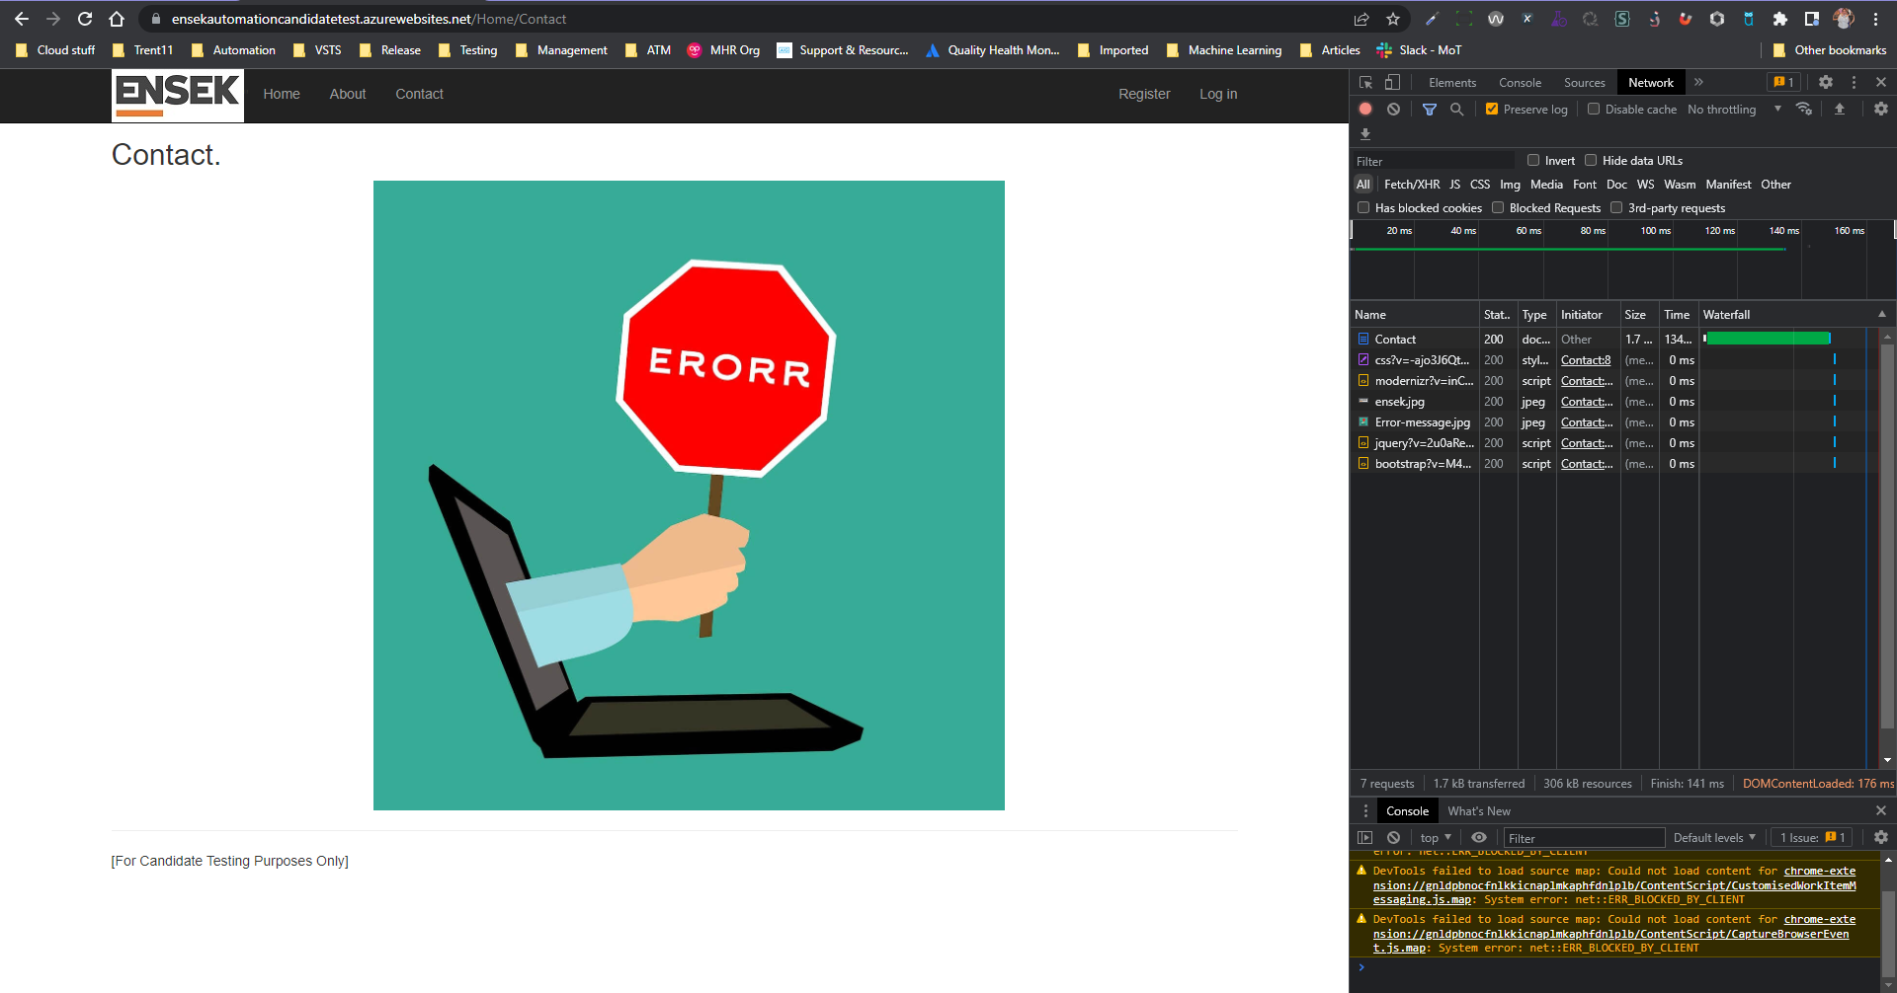
D3 | Test 32 | As a user, I would expect to be able to access contact details when navigating to the Contact page. Actual response = UI Error Landing page, but no API errors. All APIs returned a 200 response. 1. Go to URL 2. Click Contact menu link

D4 | Test 43 | As a user, I would expect to be able to input an invalid value but see a useful error message returned when typing into the Buy 'Number of Units required' Actual response = Error message displayed on page - example in screenshot 1. Go to URL 2. Click Buy button 3. Complete value field with invalid values (examples below) Values tried: Very large number e.g. 9999999999999999 Decimal pointed number e.g. 1.5 Text written number e.g. three Include a symbol e.g. 1% | 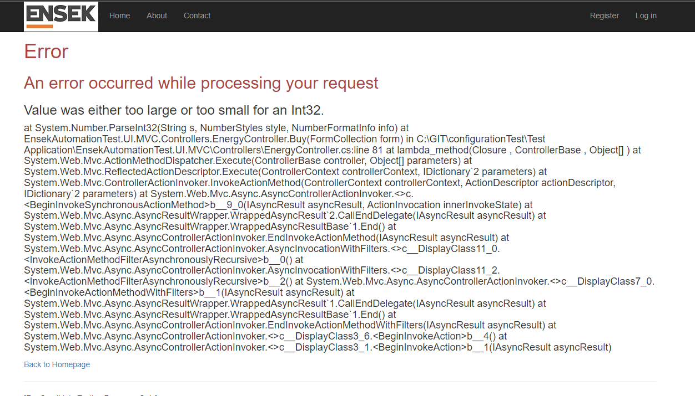

D5 | Test 47 | As an accessibility user, I would expect to be able to see the Buy page at zoom rate 400% and not lose the styling look and feel. I would also expect to be able to navigate around the page without having to scroll horizontally 1. Go to URL 2. Click Buy button 3. Zoom browser in to 400% for accessibility compliance testing | 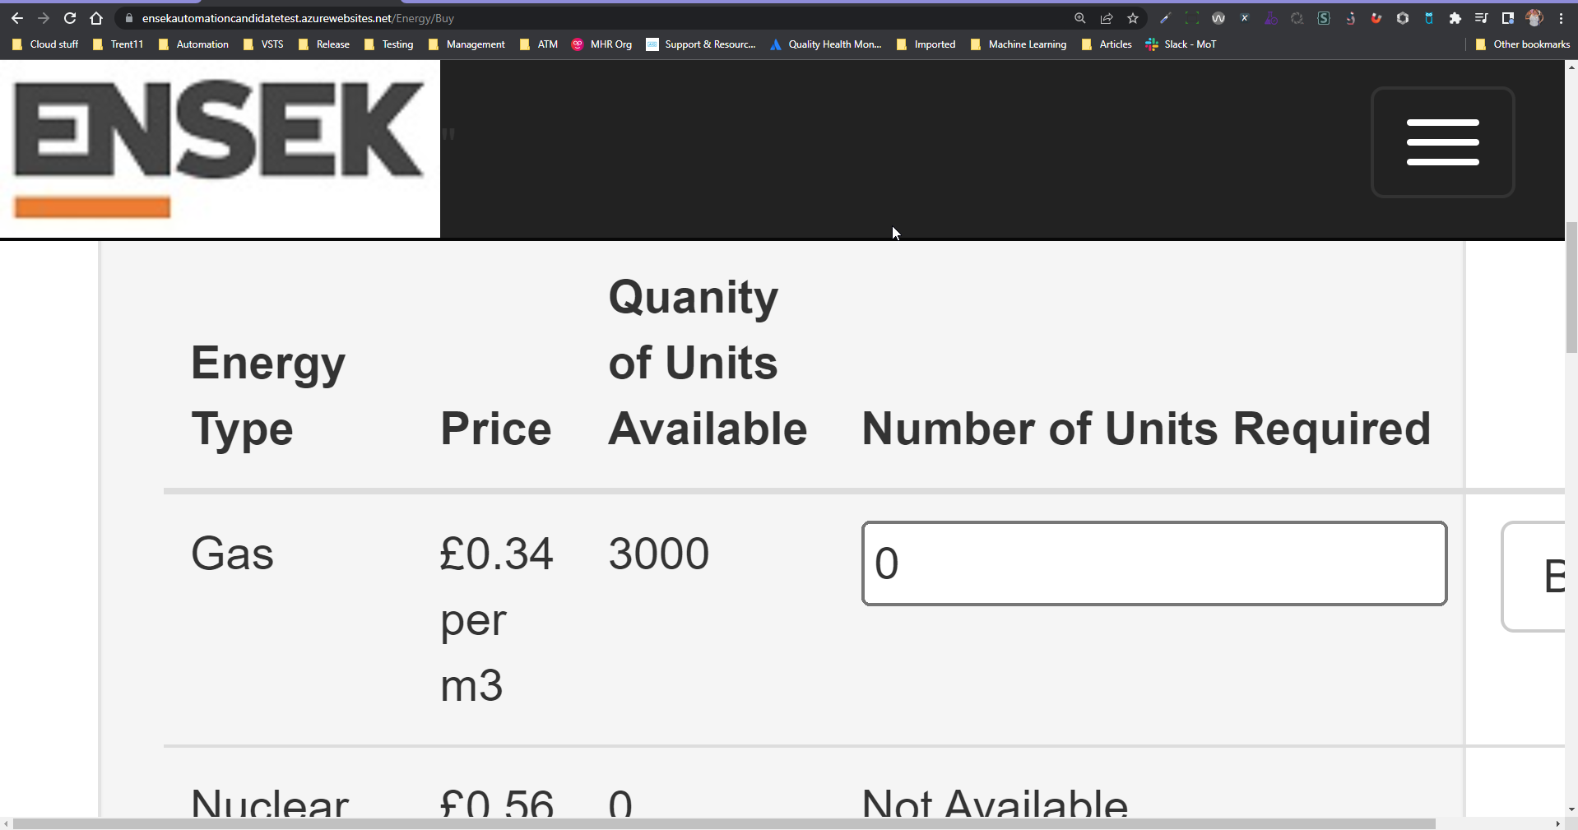

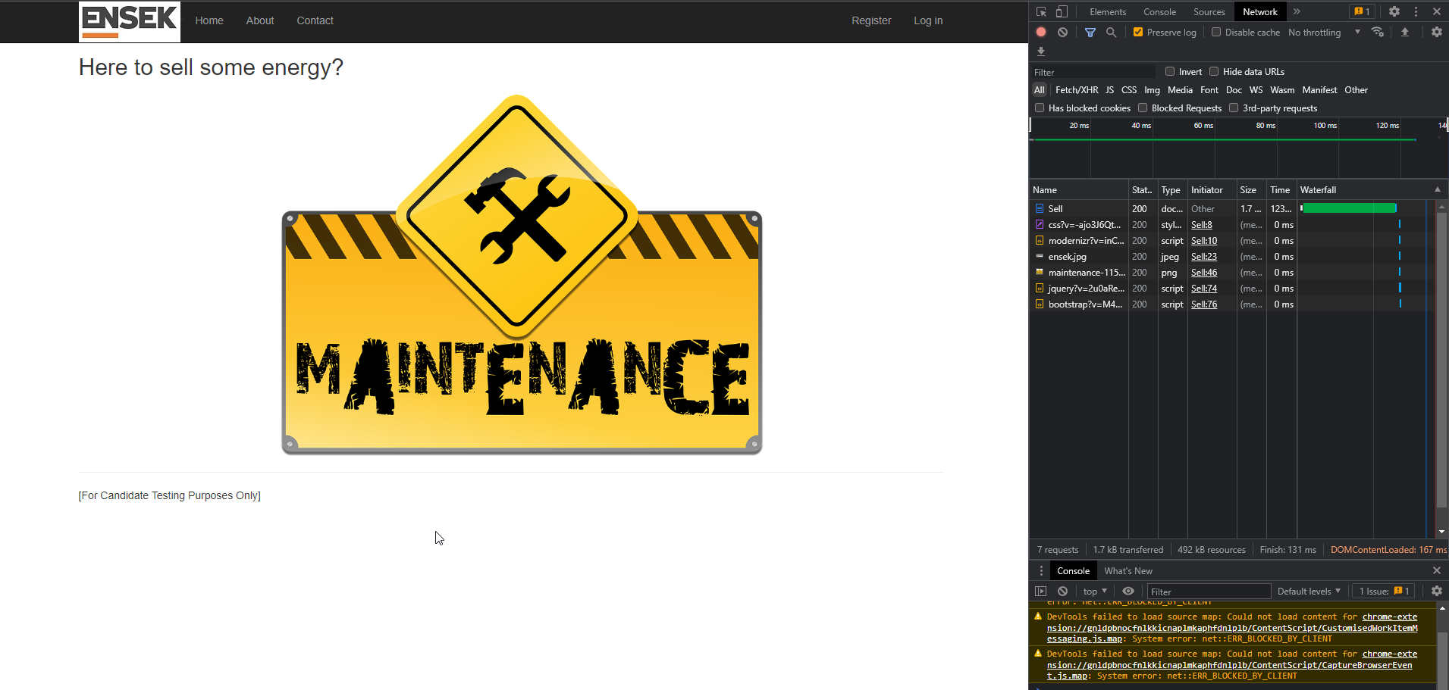
D6 | Test 49 | As a user, I would expect to be able to navigate to the Sell page and be offered options similar to ones found on the Buy page. Actual response = Maintenance holding page with API returning 200 responses 1. Go to URL 2. Click Sell button

